Actual Operation Evidence
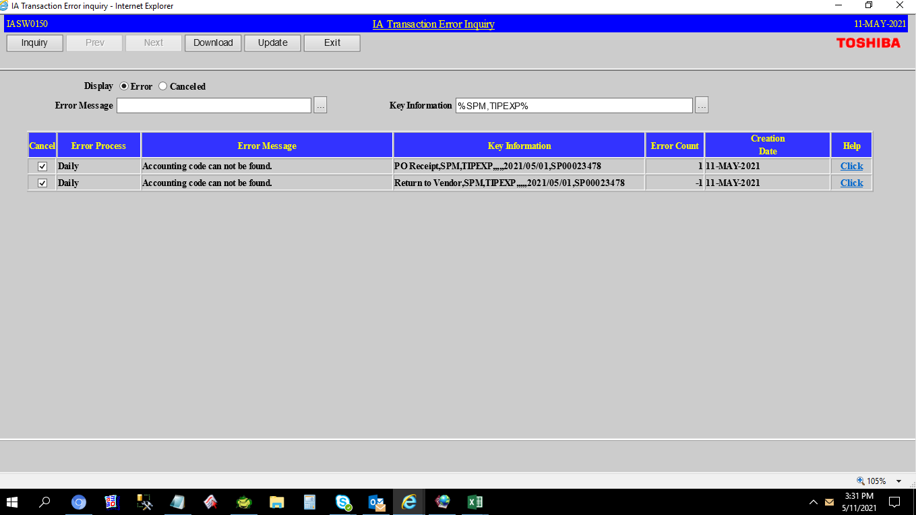
Actual Operation Evidence

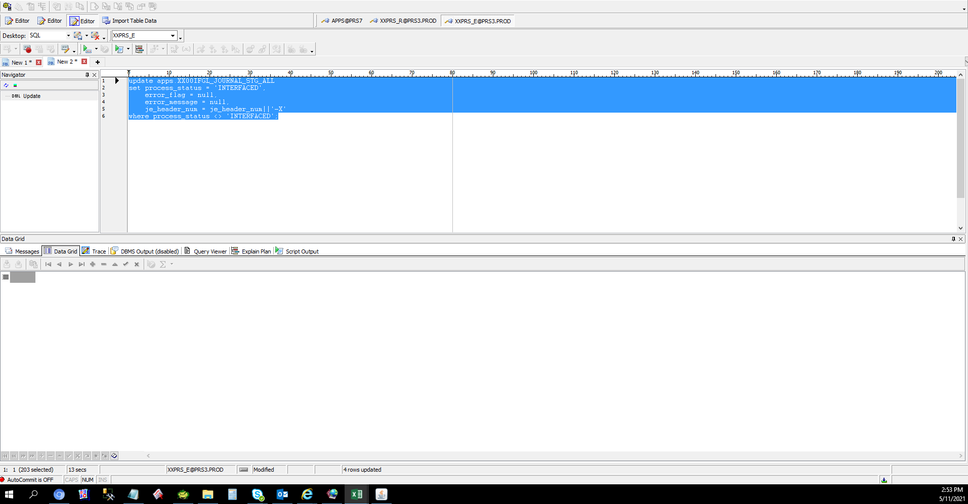

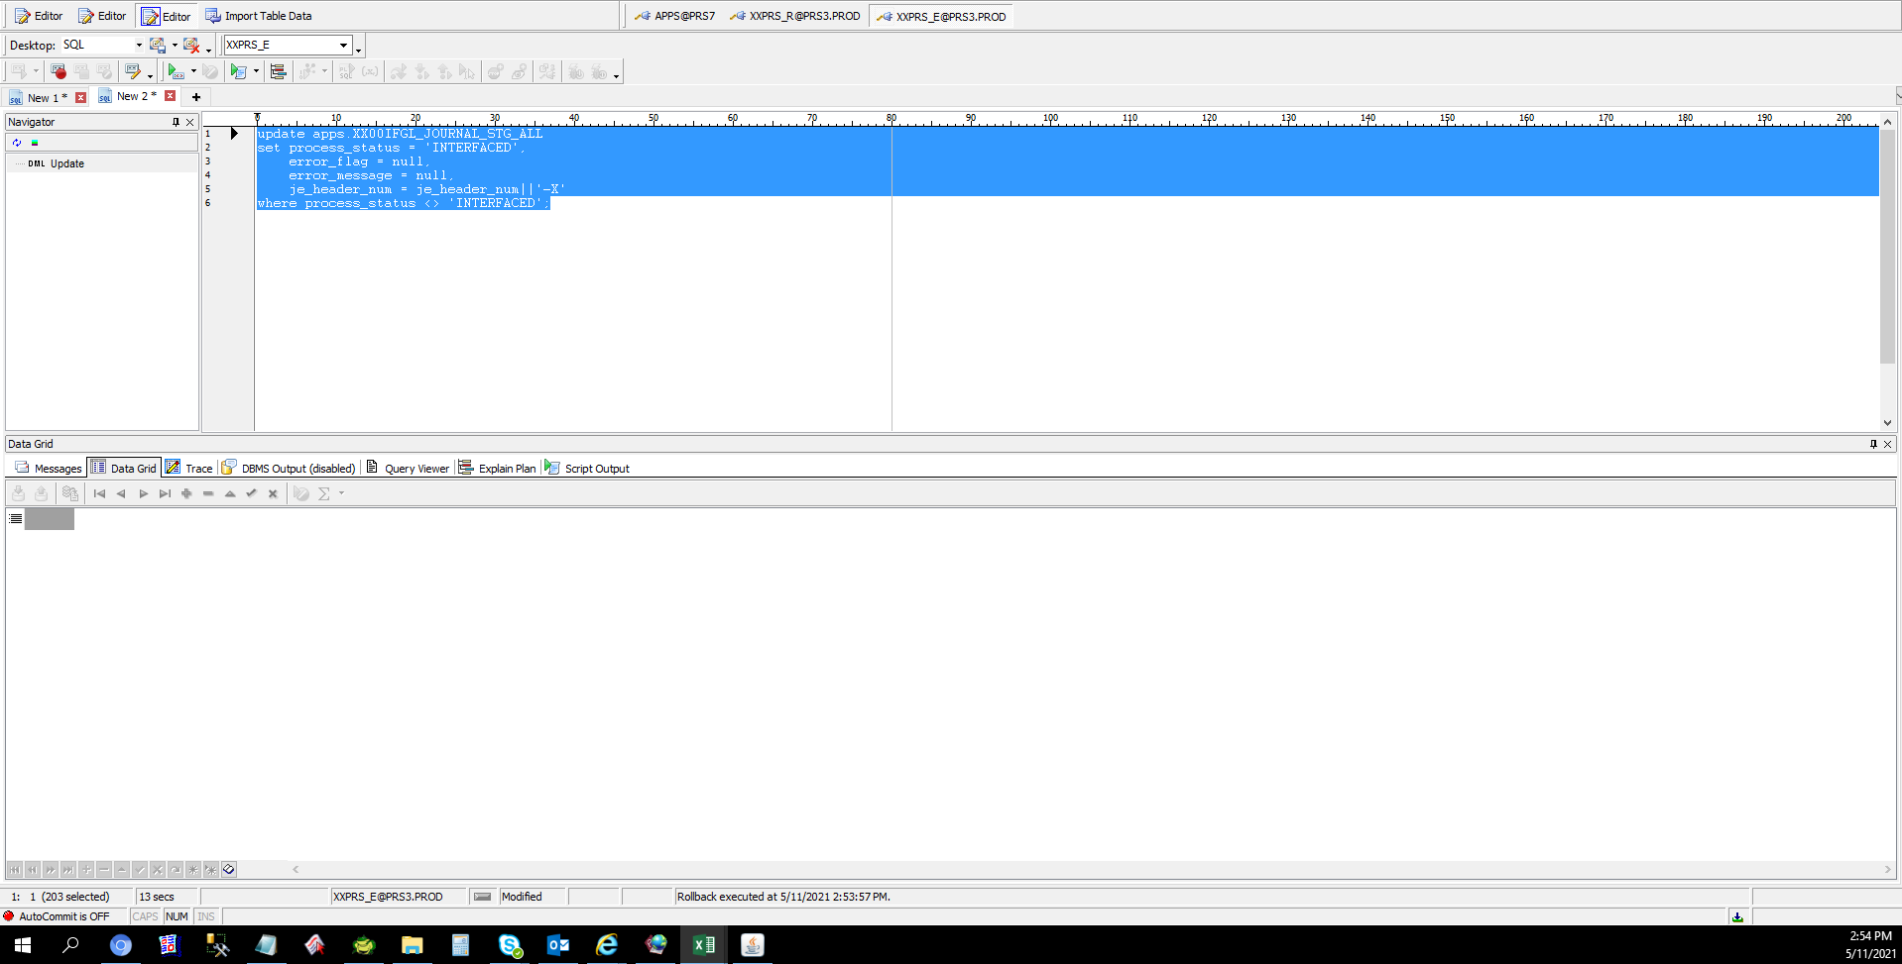





 | CANCEL ERROR IN IA

Helpdesk Request
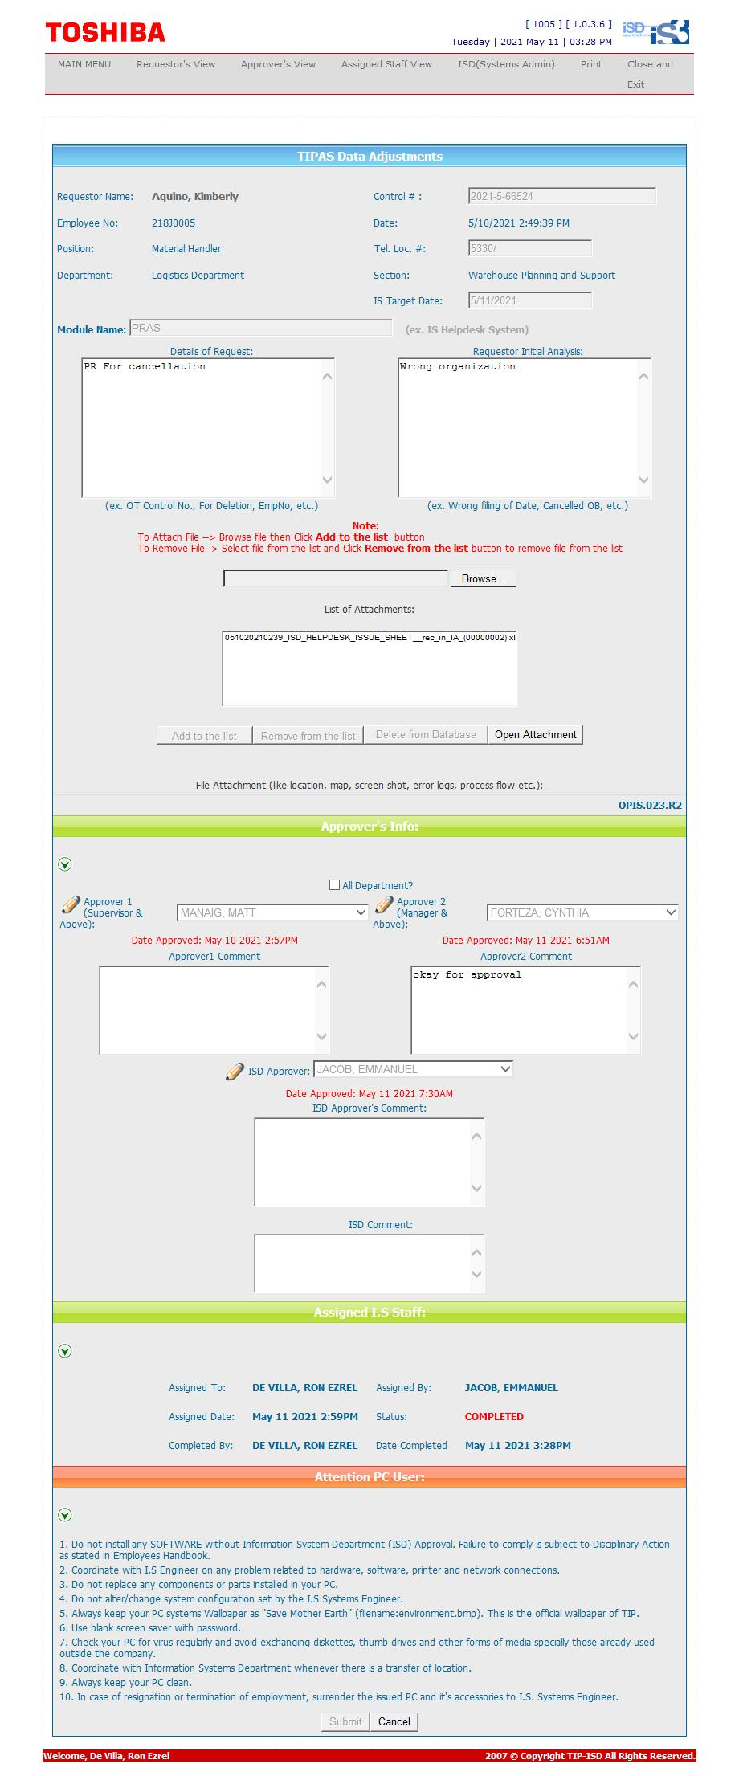
Helpdesk Request

 | ATTACH SCREENSHOT OF HELPDESK REQUEST.

